Table 1 & Figures 1,2
Characteristics of the Study Population and Mean Air-Pollution Levels in Six Cities

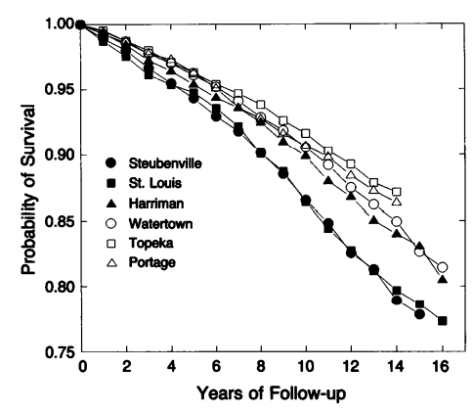
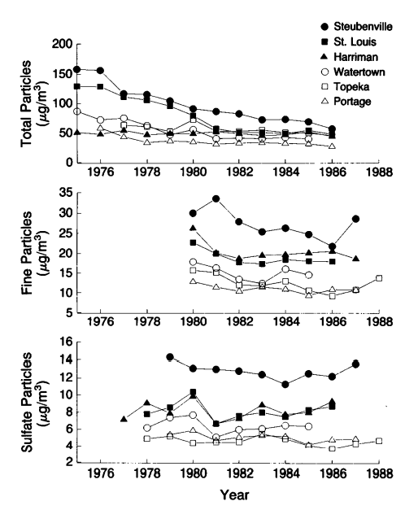
Characteristic | Portage, Wis. | Topeka, Kans. | Watertown, Mass. | Harriman, Tenn. | St. Louis | Steubenville, Ohio | Figure 1. Annual Average Concentrations of Total Particles, Fine Particles, and Sulfate Particles in the Six Cities | Figure 2. Crude Probability of Survival in the Six Cities, According to Years of Follow-up
No. of participants | 1631 | 1239 | 1336 | 1258 | 1296 | 1351
Person-years of follow-up | 21,618 | 16111 | 19882 | 17836 | 17715 | 17914
No. of deaths | 232 | 156 | 248 | 222 | 281 | 291
Deaths/1000 person-years | 10.73 | 9.68 | 12.47 | 12.45 | 15.86 | 16.24
Female sex (%) | 52 | 56 | 56 | 54 | 55 | 56
Smokers (%) | 36 | 33 | 40 | 37 | 35 | 35
Former smokers (%) | 24 | 25 | 25 | 21 | 24 | 23
Average pack-years of smocking
Current smokers | 24 | 25.6 | 25.2 | 24.5 | 30.9 | 28
Former smokers | 18 | 19.7 | 21.8 | 21.1 | 22 | 25
Less than high-school education (%) | 25 | 12 | 22 | 35 | 45 | 30
Average age (yr) | 48.4 | 48.3 | 48.5 | 49.4 | 51.8 | 51.6
Average body-mass index | 26.3 | 25.3 | 25.5 | 25.1 | 26 | 26.4
Job exposure to dust or fumes (%) | 53 | 28 | 38 | 50 | 40 | 48
Total particles (ug/m^3) | 34.1 | 56.6 | 49.2 | 49.4 | 72.5 | 89.9
Inhalable particles (ug/m^3) | 18.2 | 26.4 | 24.2 | 32.5 | 31.4 | 46.5
Fine particles (ug/m^3) | 11 | 12.5 | 14.9 | 20.8 | 19 | 29.6
Sulfate particles (ug/m^3) | 5.3 | 4.8 | 6.5 | 8.1 | 8.1 | 12.8
Aerosol acidity (nmol/m^3) | 10.5 | 11.6 | 20.3 | 36.1 | 10.3 | 25.2
Sulfur dioxide (ppb) | 4.2 | 1.6 | 9.3 | 4.8 | 14.1 | 24
Nitrogen dioxide (ppb) | 6.1 | 10.6 | 18.1 | 14.1 | 19.7 | 21.9
Ozone (ppb) | 28 | 27.6 | 19.7 | 20.7 | 20.9 | 22.3

Table 2 & Figure 3
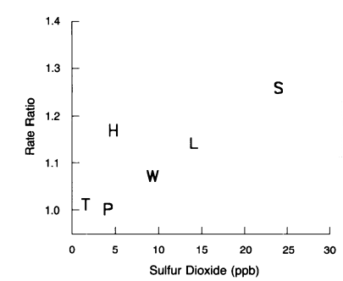
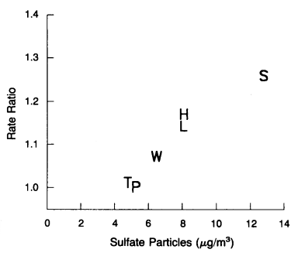
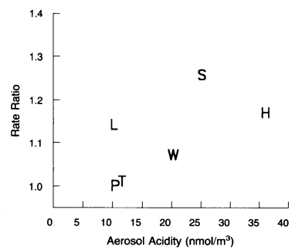
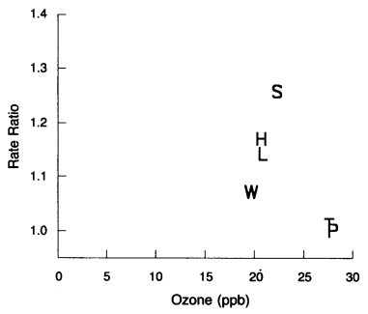
Adjusted Mortality-Rate Ratios Estimated from Cox Proportional-Hazards Models

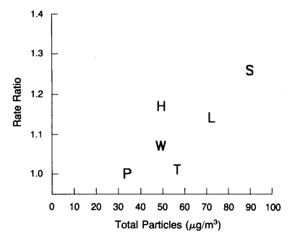
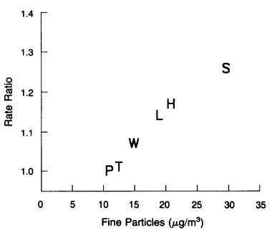
Variable | All Subjects | All Subjects Low | All Subjects High | Men | Men Low | Men High | Women | Women Low | Women High | Figure 3. Estimated Adjusted Mortality-Rate Ratios and Pollution Levels in Six Cities
 | Rate ratio (95% CI)
Current smoker | 1.59 | 1.31 | 1.92 | 1.75 | 1.32 | 2.32 | 1.54 | 1.16 | 2.04
25 Pack-years of smoking | 1.26 | 1.16 | 1.38 | 1.25 | 1.12 | 1.39 | 1.18 | 1 | 1.41
Former smoker | 1.2 | 1.01 | 1.43 | 1.17 | 0.93 | 1.48 | 1.34 | 1.02 | 1.77
10 Pack-years of smoking | 1.15 | 1.08 | 1.23 | 1.16 | 1.09 | 1.25 | 1.15 | 0.97 | 1.36
Less than high-school education | 1.19 | 1.06 | 1.33 | 1.22 | 1.06 | 1.41 | 1.13 | 0.95 | 1.35
Body-mass index | 1.08 | 1.02 | 1.14 | 1.03 | 0.95 | 1.12 | 1.11 | 1.03 | 1.2
City
Portage, Wis. | 1 |  |  | 1 |  |  | 1
Topeka, Kans. | 1.01 | 0.82 | 1.24 | 1.04 | 0.79 | 1.36 | 0.97 | 0.71 | 1.34
Harriman, Tenn. | 1.17 | 0.97 | 1.41 | 1.21 | 0.96 | 1.54 | 1.07 | 0.79 | 1.45
Watertown, Mass. | 1.07 | 0.89 | 1.28 | 0.94 | 0.73 | 1.2 | 1.22 | 0.93 | 1.61
St. Louis | 1.14 | 0.96 | 1.36 | 1.15 | 0.91 | 1.44 | 1.13 | 0.86 | 1.5
Steubenville, Ohio | 1.26 | 1.06 | 1.5 | 1.29 | 1.03 | 1.62 | 1.23 | 0.93 | 1.61

